Crankpin Wear Limits
 |  | SAFETY, HEALTH, ENVIRONMENT AND QUALITY MANAGEMENT SYSTEM AUXILIARY ENGINE CALIBRATION REPORTING FORMS MANUAL |  |  |  |  |  |  |  |  |  | Form : 6.6.7 Date : 11-Aug-25 Rev : 10.0 App By : DPA

CRANKPIN DIMENSION REPORT
Name:
Department: |  | ENGINE
Date:
Engine
Plant/ vessel:
Engine type:
Engine no.: |  |  |  |  |  |  |  | Total Hours: |  | 46401

Rotation direction:

 | CS |  |  | FEE |  |  |  |  | TDC
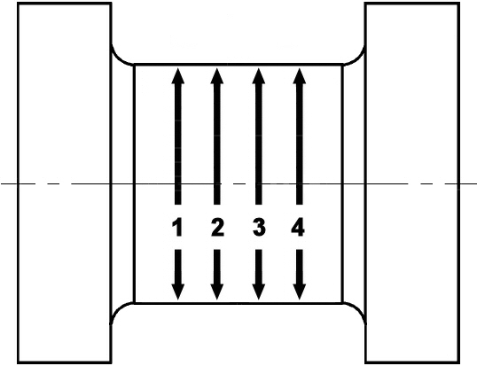
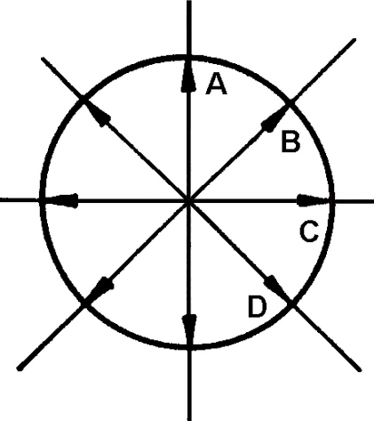
 |  |  |  |  |  |  | 45° |  |  |  | 45°

 |  |  |  |  |  | Exhaust- |  |  |  |  | Control-
 |  |  |  |  |  | Side |  |  |  |  | Side

 |  |  |  |  |  |  |  |  |  |  | 45°
 |  |  |  |  |  |  | 45°
 |  |  |  |  |  |  |  |  | BDC

 | Min Diameter:
 | Max Ovality: |  |  |  | For Max Allowance Ovality, see Makers instruction

 | Dimension |  | Vertical |  | 45° |  | Horizontal |  | 45°
 | 1/100mm |  | A |  | B |  | C |  | D
 | Unit 1 | 1
 |  | 2
 |  | 3
 |  | 4
 | 1/100mm |  | A |  | B |  | C |  | D
 | Unit 2 | 1
 |  | 2
 |  | 3
 |  | 4
 | 1/100mm |  | A |  | B |  | C |  | D
 | Unit 3 | 1
 |  | 2
 |  | 3
 |  | 4
 | 1/100mm |  | A |  | B |  | C |  | D
 | Unit 4 | 1
 |  | 2
 |  | 3
 |  | 4
 | 1/100mm |  | A |  | B |  | C |  | D
 | Unit 5 | 1
 |  | 2
 |  | 3
 |  | 4
 | 1/100mm |  | A |  | B |  | C |  | D
 | Unit 6 | 1
 |  | 2
 |  | 3
 |  | 4

Remarks:

